HRV
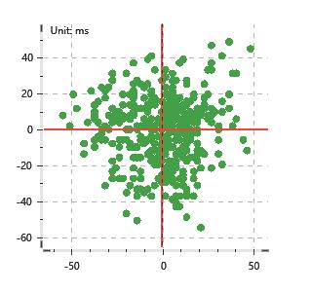
Data Info
 | Recording | 正式实验4
 | Subject | 董家言
 | Create Time | 2023-11-16 14:56:22.709
 | Data Name | Chest1 ECG
 | Data Type | ECG
 | Sample Rate | 512
 | Segment | 前静息态
 | Start Time | 0:01:54
 | End Time | 0:06:54
 | Duration | 0:05:00

Replay Chart
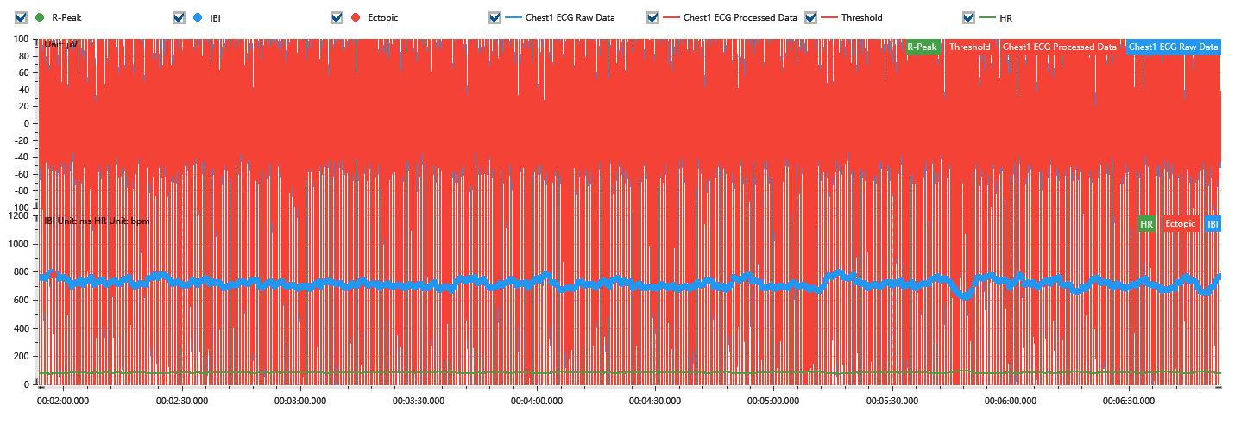

Process parameters
 | Filters
 | Wavlet filter | Enabled | 中
 | Amplitude normalization | Disabled | 中
 | High Pass filter | Enabled | 1μV
 | Band Stop filter | Enabled | 50μV
 | Low Pass filter | Enabled | 100μV
 | Interbeat Interval
 | R-Peak extraction | Maximum heart rate | 120bpm
 | R-Peak extraction | Threshold | 70%
 | Extopic detection | Percent | Disabled | 20%
 | Extopic detection | Median | Enabled | 4(samples)
 | Extopic correction | 中值 | 5(samples)

Time Domain
 | MeanIBI | MeanHR | SDNN | SDANN | RMSSD | SDSD | PNN50 | PNN20 | Data Length
 | 712.3ms | 84bpm | 28.89ms | 0ms | 18.21ms | 18.23ms | 0.48% | 24.82% | 420

Frequency Domain
 | Band | Range | Power | Power Percent | Power Normalized | Peak | Data Length
 | ULF | 0 - 0.0033Hz | 10.25ms² | 1.44% | 0 | 0Hz | 4
 | VLF | 0.0033 - 0.04Hz | 149.06ms² | 21% | 0 | 0.04Hz | 37
 | LF | 0.04 - 0.15Hz | 445ms² | 62.69% | 0.81 | 0.09Hz | 113
 | HF | 0.15 - 0.4Hz | 105.53ms² | 14.87% | 0.19 | 0.32Hz | 256

 | Total Power | 709.84ms² | LF/HF | 4.22 | VLF/ULF | 0.07
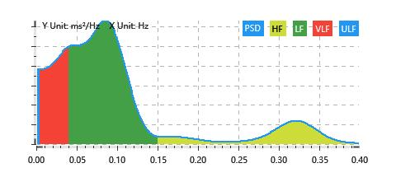

Nonlinear
 | Poincare | SD1 | 12.89ms | SD2 | 38.77ms
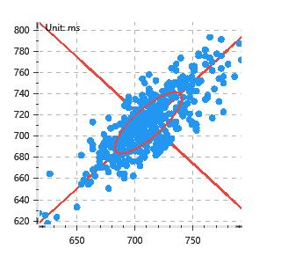

 | Scatter | A++ | 119 | B-- | 71

